Sheet2
Sr.No. | Inputs | Screenshots | Status
1 | Need option to Archive / Edit Client users | 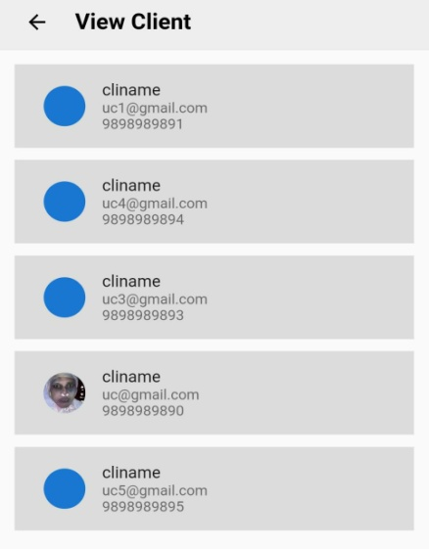
2 | Need option to Archive / Edit departments, can I set custom icons? | 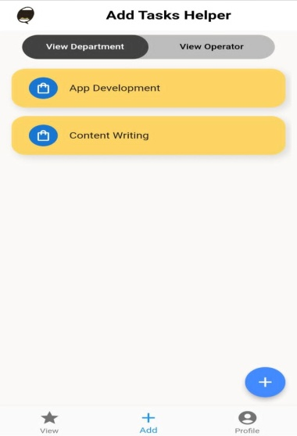
3 | Need option to Archive / Edit operator users, edit can be used to set, change password, photo, name, email where we plan to send notifications | 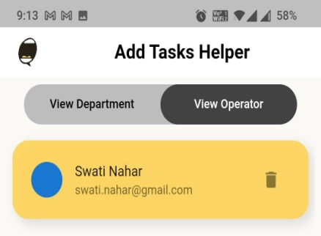
4 | Need ability to add image latter.. There should we aditi option.. For that later.. Coz may be image will not me available while adding tag. This can be here or as a page with diffrent cards.. I'm kind of Excited for this new feature now.. That will add to lot to the tool.. @Kalyani Mam Virtuebyte ma'am pls consider this.. 😬😬 I can see it as a notice board for clients and for operators too | 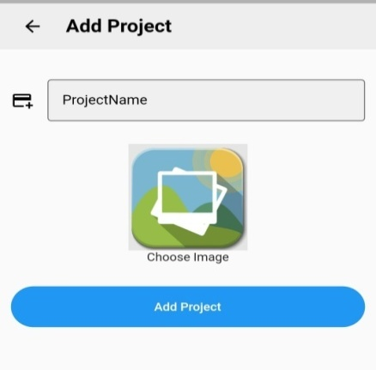
5 | I've an idea.. 😬😬😬 New addition.. But till will be awesome addition... Can we have news, message, display here diffrent for operators and clients... Like holidays for clients, new achievements, new client notice or office news to operators.. May be manager or admin has a add news banner msg option.. Where they can set a scrollable news, and can set for a particular date... 😬😬 | 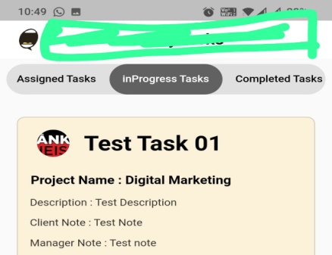
6 | May be here.. 😬 | 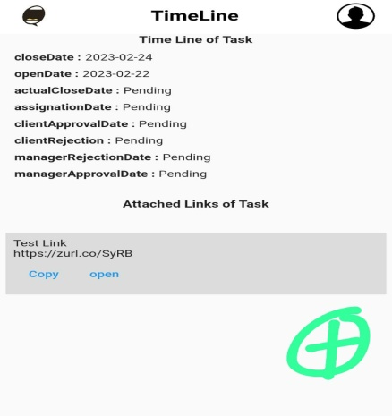
7 | I've attached a link.. So can we have a color code as green if it has a link and red when it is blank.. Also how can someone add a new link? Can manager over run the task.. Like if manager wants to reassign to someone else or just update the status, he should be able to.. There can be a use case where a particular operator of absent and task needs to be realign.. | 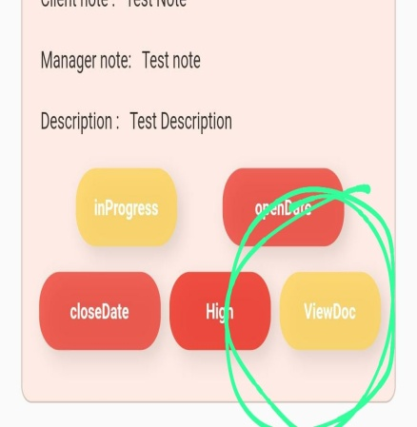
8 | We may need a sort / search task option here .. If we have 50 task here how will the manager scroll and search the task.. Infact we will need this for operator and maybe for client too | 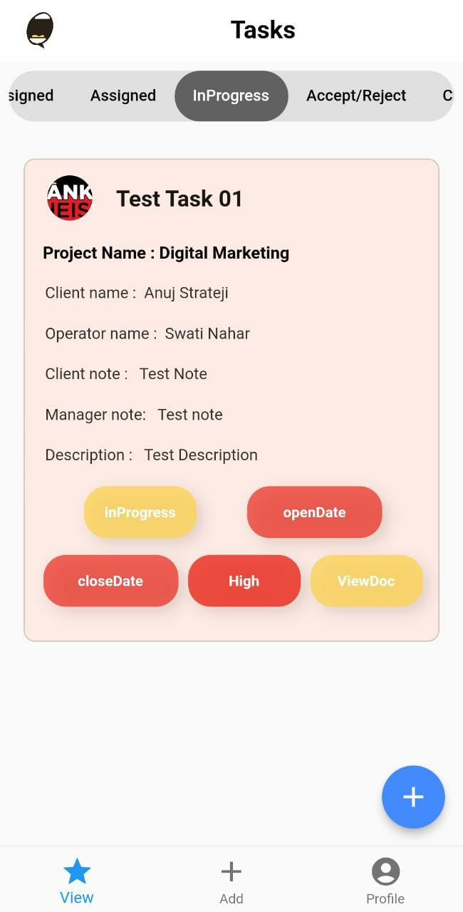
9 | In Operator mode.. What is significance of this? For any profile picture can we get to adjust the image? Basic cosmetic update.. May be just for a sanity | 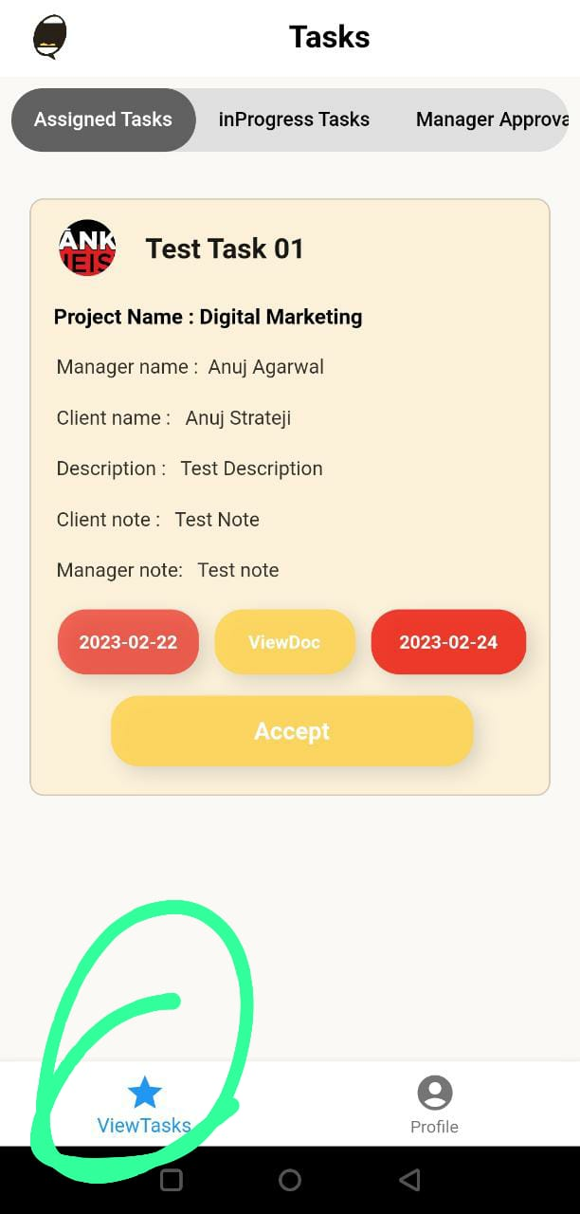
10 | Here for client.. What does this pending suggest? For any profile picture can we get to adjust the image? Basic cosmetic update.. May be just for a sanity | 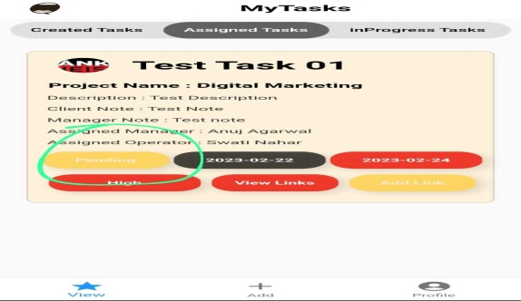
11 | Again here.. We can have update instead of view and managers shall be able to add, edit, delete and also change icon for profile pic.. Ive mentioned above.. Just emphasising | 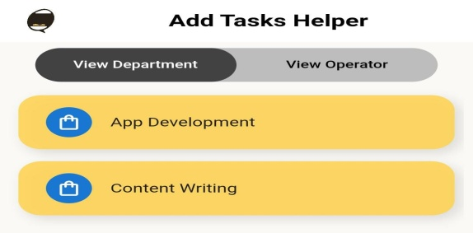
12 | I want client photo and operator photo here.. I can give you UI once all technical errors and functionality are resolved if required | 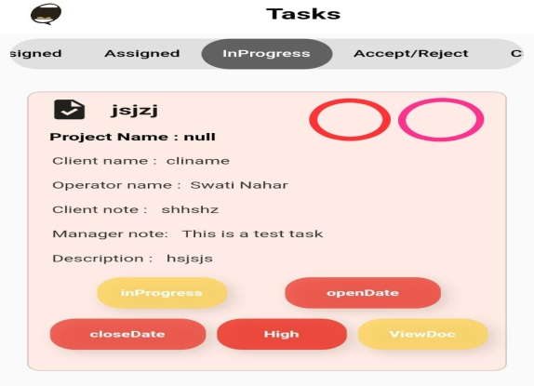
13 | Can see them while creating new task | 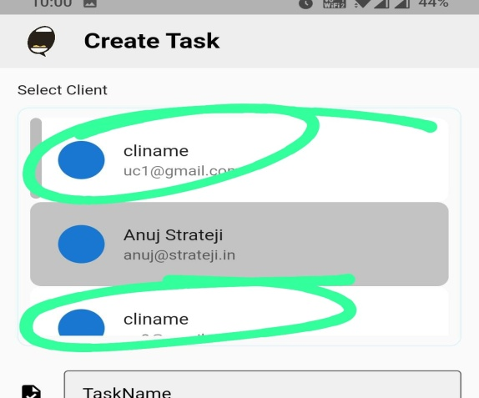
14 | Deleted all clients and... Still... | 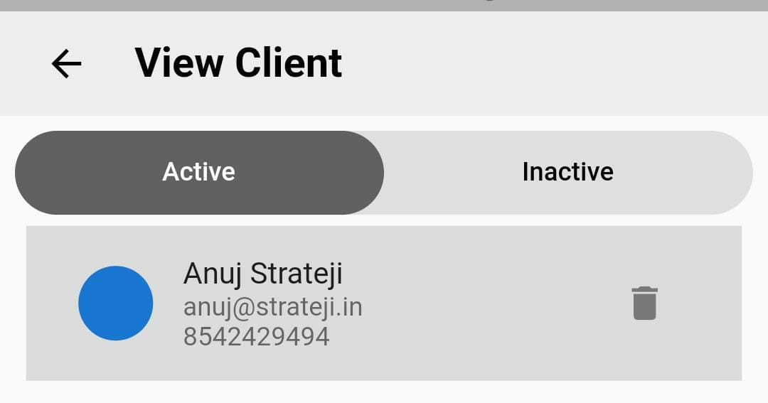
15 | Just a basic UI update... For this scree we can have only these 4 options and a plus sign on the next screen to add the given option.. To make it look a bit clean | 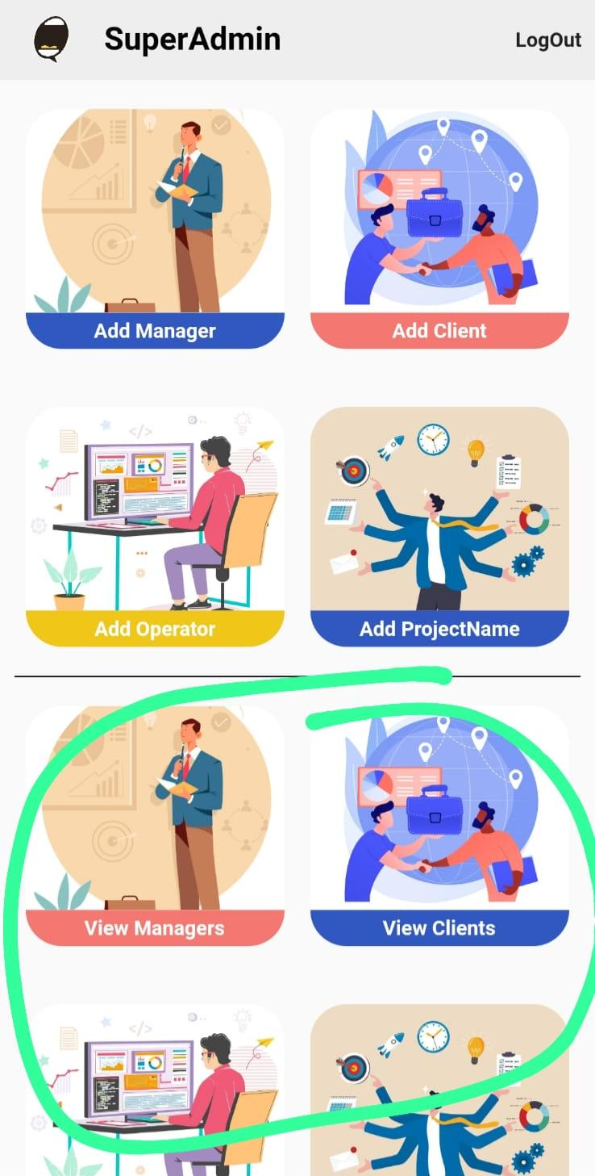
16 | Need option to Archive / Edit operator users, edit can be used to set, change password, photo, name, email where we plan to send notifications I created task as a Manager role and it is not appearing in /not assigned / tab Aditi and my self as a manager also do a lot of task.. But there is no option to assign task to managers... How to solve that? | 

